3._x0009_State Transition
Scenario: A website shopping basket starts out as empty. As purchases are selected, they are added to the shopping basket. Items can also be removed from the shopping basket. When the customer decides to check out, a summary of the items in the basket and the total cost are shown, for the customer to say whether this is OK or not. If the contents and price are OK, then you leave the summary display and go to the payment system. Otherwise you go back to shopping (so you can remove items if you want).
a. Produce a state diagram showing the different states and transitions. Define a test, in terms of the sequence of states, to cover all transitions.
b. Produce a state table. Give an example test for an invalid transition. | Step № | State | Event (action)
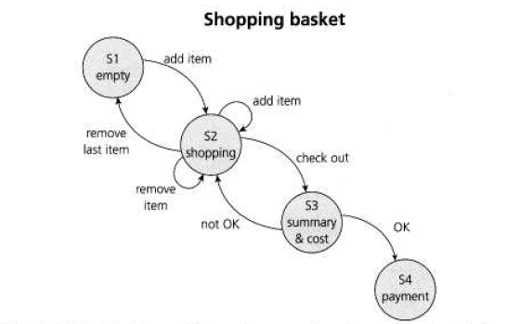
 | 1 | S1 | Add item
 | 2 | S2 | Remove (last) item
 | 3 | S1 | Add item
 | 4 | S2 | Add item
 | 5 | S2 | Remove item
 | 6 | S2 | Check out
 | 7 | S3 | Not OK
 | 8 | S2 | Check out
 | 9 | S3 | OK
 | 10 | S4

 | Invalid transition:
 | Attempt to add an item from the summary and cost state (S3)
 | Try to remove an item from the empty shopping basket (SI)
 | Try to enter 'OK' while in the Shopping state (S2).

4._x0009_Statement and Decision Testi
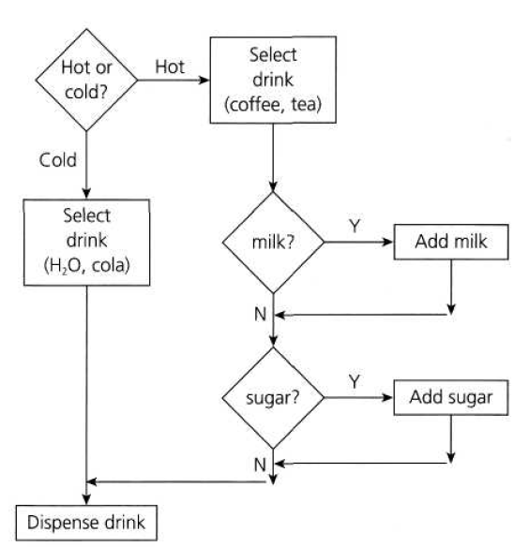
Scenario: A vending machine dispenses either hot or cold drinks. If you choose a hot drink (e.g. tea or coffee), it asks if you want milk (and adds milk if required), then it asks if you want sugar (and adds sugar if required), then your drink is dispensed.
a. Draw a control flow diagram for this example. (Hint: regard the selection of the type of drink as one statement.)
b. Given the following tests, what is the statement coverage achieved? What is the decision coverage achieved?
Test 1: Cold drink
Test 2: Hot drink with milk and sugar
c. What additional tests would be needed to achieve 100% statement coverage? What additional tests would be needed to achieve 100% decision coverage?

We have 100% statement coverage.
We have not taken the No exit from either the 'milk?' or 'sugar?' decisions, so there are two decision outcomes that we have not tested yet. We did test both of the outcomes from the 'hot or cold?' decision, so we have covered four out of six decision outcomes. Decision coverage is 4/6 or 67% with the two tests.
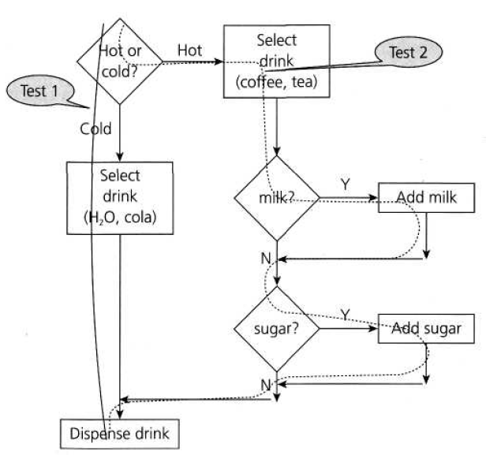

To achieve 100% decision coverage we need one additional test "Test 3: Hot drink, no milk, no sugar".

